Sheet1
 | Operator Joystick | (Feb 18, 2019)

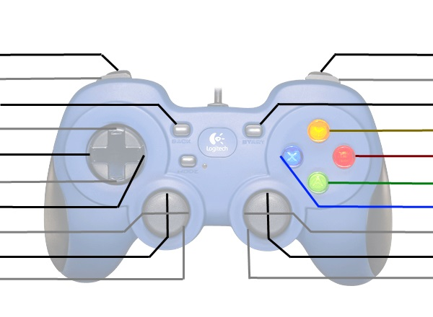
Deploy Ball Intake (Do NOT use)
 |  | No Shift = Enable/Disable Ball Intake Wheels Shift 1 = Ball Intake Unfold/Fold Shift 2 = Shift To High/Low Gear
Expand/Contract Hatch Panel Grabber
Shift 1
Shift 4
Shift 3
Shift 2
 |  | Vertical Axis: No Shift = Elevator Up/Down Shift 1 = Ball Intake In/Out Shift 2 = Manipulator Flip Fwd/Back
Manipulator Intake In/Out
Kill Everything |  | Kill Everything

 | Driver Joystick

 |  | Arcade Drive Turn
Arcade Drive Fwd/Back
Kill Everything |  | Kill Everything

